Home
The Microsoft Data Warehouse Toolkit 2008 R2
Dimensional Modeling Workbook

Date: | 2022-12-01
Database: | ist722_sdnanava_dw
Description: | The Northwind Traders Data Warehouse
Version: | 4.00
Gen FKs?: | Y
Schema for Views:

 | How to use this tool:
 | 1) Copy the BlankDim and BlankFact worksheets and fill them in with appropriate dimension and fact table information
 | 2) Change the database name above to the name of the target database to which you would like to write this dimensional model
 | 3) Make sure macros are enabled, and select the Create/Update Diagram(s) button to see a simple bubble diagram of your model
 | 4) Select the Generate SQL Script button to generate a script you can use to create your database
 | (This is the "forward engineer" button.)
 | 5) See the ReadMe sheet for additional information

Generate SQL Script
= Fact
= Dimension
= Utility Table

Create/Update Diagram(s)

© copyright 2005-2011, Kimball Group, all rights reserved

1_FactModel
DimCustomer

Date (ShippedDate)
DimEmployee
FactSales

Date (OrderDate)

2_FactModel
Date (OrderDate)

FactOrderFulfillment

Date (ShippedDate)

ReadMe
Notes about this Excel workbook and macro
On the first ("Home") sheet of this workbook, you can see two buttons. The button titled "Generate SQL Script" starts an Excel macro that will generate a SQL script for the tables described in the workbook. The button titled "Create/Update Diagram(s)" starts an Excel macro that adds a worksheet for each fact table (if it doesn't already exist), and creates a simple "bubble" diagram of the model.
Some notes follow:
- The process of generating a script does nothing in your database. It simply generates a script into a new worksheet at the end of this workbook.
- We're not "Real Programmers," so there is not a huge quantity of error checking in the macros, and there are definitely no guarantees. You should save your workbook before generating the script.
- You can use this workbook and macro to generate an arbitrary SQL Server database. Here are some instructions and rules:
o To use this tool, first go to the Home worksheet and enter the overall database information.
o Next, make a copy of the BlankDim or BlankFact worksheet for each dimension or fact table you'd like to create.
o Name each worksheet according to the display name of the table it defines.
o Delete the example entries in each sheet and fill in the table and column names, definitions, etc. for your tables.
o Change the "N" to "Y" in the Generate Script? field if you want the macro to include the table in the script.
o The "Key?" column takes the following values: PK (Primary Key), ID (Identity), FK (Foreign Key). You can combine PK ID to indicate a database generated surrogate key for a dimension.
o The "FK To" column holds the table and column reference to the primary key of the table to which this entry is a foreign key (tablename.columnname).
o The table header rows at the top of each worksheet get instantiated as table-level extended properties.
o Add rows to that area in order to add information that you'd like to be additional table extended properties.
o Leave a blank line before the Column Information section.
o We'll create extended properties for each column starting with DisplayName (until we see an empty cell in that header row).
o The diagram generator looks for the fact tables, then uses the foreign key definitions to find the associated dimension tables
o Be sure to fill in the display name for a better looking diagram
o Once you create a diagram, you can click on each table in the diagram and it will link you back to the table's worksheet
(this only works if the worksheet name matches the display name of its table, otherwise, the links are invalid)
The Home sheet in this workbook is for general information and navigation purposes.

DimCustomer
Home Page
Table Name | DimCustomer
Table Type | Dimension
Display Name | DimCustomer
Database Schema | northwind
Table Description | Customer dimension
Comment | Sourced from Northwind
Biz Filter Logic
Size | One rows for each customer
Generate Script? | Y

 |  |  |  |  |  |  |  |  | Target |  |  |  |  |  |  | Source
Column Name | Display Name | Description | Unknown Member | Example Values | SCD Type | Display Folder | ETL Rules | Comments | Datatype | Size | Precision | Key? | FK To | NULL? | Default Value | Source System | Source Schema | Source Table | Source Field Name | Source Datatype
CustomerKey | CustomerKey | Surrogate primary key | -1 | 1,2, 3… | key |  |  |  | int |  |  | PK ID |  | N |  | Derived
CustomerID | CustomerID | Business key from source system (aka natural key) |  | ALFKI | key |  |  |  | nvarchar | 5 |  |  |  | N |  | Northwind | dbo | Customers | CustoemrID | nvarchar
CustomerName | CustomerName | Customer's company Name |  | Bon app | 2 |  |  |  | nvarchar | 40 |  |  |  | N |  | Northwind | dbo | Customers | CompanyName | nvarchar
ContactName | ContactName | Name of contact at the company |  | Pedro Alfanso | 2 |  |  |  | nvarchar | 30 |  |  |  |  |  | Northwind | dbo | Customers | ContactName | nvarchar
ContactTitle | ContactTitle | Contact's job title |  | Owner, Sales Rep. | 2 |  |  |  | nvarchar | 30 |  |  |  | N |  | Northwind | dbo | Customers | ContactTitle | nvarchar
CustomerCountry | CustomerCountry | Country of origin |  | USA | 2 |  |  |  | nvarchar | 15 |  |  |  | N |  | Northwind | dbo | Customers | Country | nvarchar
CustomerRegion | CustomerRegion | State or province | NA | WA | 2 |  |  |  | nvarchar | 15 |  |  |  | N | N/A | Northwind | dbo | Customers | Region | nvarchar
CustomerCity | CustomerCity | Customers City |  | Seattle | 2 |  |  |  | nvarchar | 15 |  |  |  | N |  | Northwind | dbo | Customers | City | nvarchar
CustomerPostalCode | CustomerPostalCode | Customers postal code |  | 13244 | 2 |  |  |  | nvarchar | 10 |  |  |  | N |  | Northwind | dbo | Customers | PostalCode | nvarchar
RowIsCurrent | Row Is Current | Is this the current row for this member (Y/N) | Y | Y,N | n/a | Exclude from cube | Standard SCD-2 |  | bit |  |  |  |  | N | TRUE | Derived
RowStartDate | Row Start Date | When did this row become valid for this member? | 1900-01-01 | 2011-01-24 | n/a | Exclude from cube | Standard SCD-2 |  | datetime |  |  |  |  | N |  | Derived
RowEndDate | Row End Date | When did this row become invalid (12/31/9999 if current row) | 2958465 | 1/14/1996, 12/31/9999 | n/a | Exclude from cube | Standard SCD-2 |  | datetime |  |  |  |  | N | 2958465 | Derived
RowChangeReason | Row Change Reason | Why did the row change last? | NA |  | n/a | Exclude from cube | Standard SCD-2 |  | nvarchar | 200 |  |  |  | N |  | Derived
InsertAuditKey | InsertAuditKey | What process loadedd this row? | -1 |  | n/a | Exclude from cube | Standard Audit dim |  | int |  |  | FK | DimAudit.AuditKey | N |  | Derived
UpdateAuditKey | UpdateAuditKey | What process most recently updated this row? | -1 |  | n/a | Exclude from cube | Standard Audit dim |  | int |  |  | FK | DimAudit.AuditKey | N |  | Derived

DimEmployee
Home Page
Table Name | DimEmployee
Table Type | Dimension
Display Name | DimEmployee
Database Schema | northwind
Table Description | Employee dimension
Comment | Sourced from Northwinds
Biz Filter Logic
Size | One row for each employee
Generate Script? | Y

 |  |  |  |  |  |  |  |  | Target |  |  |  |  |  |  | Source
Column Name | Display Name | Description | Unknown Member | Example Values | SCD Type | Display Folder | ETL Rules | Comments | Datatype | Size | Precision | Key? | FK To | NULL? | Default Value | Source System | Source Schema | Source Table | Source Field Name | Source Datatype
EmployeeKey | EmployeeKey | Surrogate primary key | -1 | 1,2,3… | key |  |  |  | int |  |  | PK ID |  | N |  | Derived
EmployeeID | EmployeeID | Business key from source system (aka natural key) |  | 1,2,3… | key |  |  |  | int |  |  |  |  | N |  | Northwind | dbo | Employees | EmployeeID | in
FirstName | FirstName | The employee's first name |  | Nancy | 2 |  |  |  | nvarchar | 50 |  |  |  | N |  | Northwind | dbo | Employees | FirstName | nvarchar
LastName | LastName | The employee's last name |  | Davolio | 2 |  |  |  | nvarchar | 50 |  |  |  | N |  | Northwind | dbo | Employees | LastName | nvarchar
FullName | FullName | First and Last name combined as FirstName LastName |  | Nancy Davolio | 2 |  |  |  | nvarchar | 100 |  |  |  | N |  | Derived
EmployeeTitle | EmployeeTitle | The employee's work title |  | Sales Representative | 2 |  |  |  | nvarchar | 50 |  |  |  | N |  | Northwind | dbo | Employees | Title | nvarchar
BirthDate | BirthDate | The employee's date of birth |  | 1948-08-12 | 2 |  |  |  | datetime |  |  |  |  | N |  | Northwind | dbo | Employees | BirthDate | datetime
HireDate | HireDate | The employee's date of hire |  | 1992-01-05 | 2 |  |  |  | datetime |  |  |  |  | N | 2958465 | Northwind | dbo | Employees | HireDate | datetime
EmployeeAddressRegion | EmployeeAddressRegion | The employee's home address region | N/A | WA | 2 |  |  |  | nvarchar | 15 |  |  |  | N |  | Northwind | dbo | Employees | Region | nvarchar
SupervisorFullName | SupervisorFullName | The first and last name of who the employee reports to |  | Andrew Fuller | 2 |  |  |  | nvarchar | 100 |  |  |  |  |  | Derived
EmployeeNotes | EmployeeNotes | Notes about the employee | N/A | Anne has a BA degree in English from St. Lawrence College. She is fluent in French and German. | 2 |  |  |  | ntext |  |  |  |  |  |  | Northwind | dbo | Employees | Notes | ntext
RowIsCurrent | Row Is Current | Is this the current row for this member (Y/N) | Y | Y,N | n/a | Exclude from cube | Standard SCD-2 |  | bit |  |  |  |  | N | TRUE | Derived |  |  |  | bit
RowStartDate | Row Start Date | When did this row become valid for this member? | 1900-01-01 | 2011-01-24 | n/a | Exclude from cube | Standard SCD-2 |  | datetime |  |  |  |  | N |  | Derived |  |  |  | datetime
RowEndDate | Row End Date | When did this row become invalid (12/31/9999 if current row) | 2958465 | 1/14/1996, 12/31/9999 | n/a | Exclude from cube | Standard SCD-2 |  | datetime |  |  |  |  | N | 2958465 | Derived |  |  |  | datetime
RowChangeReason | Row Change Reason | Why did the row change last? | NA |  | n/a | Exclude from cube | Standard SCD-2 |  | nvarchar | 200 |  |  |  | N |  | Derived |  |  |  | nvarchar
InsertAuditKey | InsertAuditKey | What process loadedd this row? | -1 |  | n/a | Exclude from cube | Standard Audit dim |  | int |  |  | FK | DimAudit.AuditKey | N |  | Derived |  |  |  | int
UpdateAuditKey | UpdateAuditKey | What process most recently updated this row? | -1 |  | n/a | Exclude from cube | Standard Audit dim |  | int |  |  | FK | DimAudit.AuditKey | N |  | Derived |  |  |  | int

DimProduct
Home Page
Table Name | DimProduct
Table Type | Dimension
Display Name | DimProduct
Database Schema | northwind
Table Description | Product dimension
Comment | Sourced from Northwind
Biz Filter Logic
Size | One row per product
Generate Script? | Y

 |  |  |  |  |  |  |  |  | Target |  |  |  |  |  |  | Source
Column Name | Display Name | Description | Unknown Member | Example Values | SCD Type | Display Folder | ETL Rules | Comments | Datatype | Size | Precision | Key? | FK To | NULL? | Default Value | Source System | Source Schema | Source Table | Source Field Name | Source Datatype
ProductKey | ProductKey | Surrogate primary key | -1 |  | key |  |  |  | int |  |  | PK ID |  | N |  | Derived
ProductID | ProductID | Business key from source system (aka natural key) |  |  | key |  |  |  | int |  |  |  |  | N |  | Northwind | dbo | Products | ProductID | in
ProductName | ProductName | Name of the product |  | Chi | 2 |  |  |  | nvarchar | 50 |  |  |  | N |  | Northwind | dbo | Products | ProductName | nvarchar
QuantityPerUnit | QuantityPerUnit | Number of things sold per product unit |  | 10 boxes x 20 bags | 2 |  |  |  | nvarchar | 50 |  |  |  | N |  | Northwind | dbo | Products | QuantityPerUnit | nvarchar
UnitPrice | UnitPrice | Sale price of the unit production |  | 18 | 2 |  |  |  | money |  |  |  |  | N |  | Northwind | dbo | Products | UnitPrice | money
UnitsInStock | UnitsInStock | Number of product units in stock |  | 39 | 2 |  |  |  | smallint |  |  |  |  | N |  | Northwind | dbo | Products | UnitsInStock | smallint
UnitsOnOrder | UnitsOnOrder | Number of product units on order waiting to be shipped |  | 0 | 2 |  |  |  | smallint |  |  |  |  | N |  | Northwind | dbo | Products | UnitsOnOrder | smallint
ReorderLevel | ReorderLevel | Number of reorders for the product |  | 10 | 2 |  |  |  | smallint |  |  |  |  | N | 2958465 | Northwind | dbo | Products | ReorderLevel | smallint
Dicontinued | Dicontinued | Flag identifing if the product has been discontinued |  | 0,1 | 2 |  |  |  | bit |  |  |  |  | N |  | Northwind | dbo | Products | Discontinued | smallint
RowIsCurrent | Row Is Current | Is this the current row for this member (Y/N) | Y | Y,N | n/a | Exclude from cube | Standard SCD-2 |  | bit |  |  |  |  | N | TRUE | Derived
RowStartDate | Row Start Date | When did this row become valid for this member? | 1900-01-01 | 2011-01-24 | n/a | Exclude from cube | Standard SCD-2 |  | datetime |  |  |  |  | N |  | Derived
RowEndDate | Row End Date | When did this row become invalid (12/31/9999 if current row) | 2958465 | 1/14/1996, 12/31/9999 | n/a | Exclude from cube | Standard SCD-2 |  | datetime |  |  |  |  | N | 2958465 | Derived
RowChangeReason | Row Change Reason | Why did the row change last? | NA |  | n/a | Exclude from cube | Standard SCD-2 |  | nvarchar | 200 |  |  |  | N |  | Derived
InsertAuditKey | InsertAuditKey | What process loadedd this row? | -1 |  | n/a | Exclude from cube | Standard Audit dim |  | int |  |  | FK | DimAudit.AuditKey | N |  | Derived
UpdateAuditKey | UpdateAuditKey | What process most recently updated this row? | -1 |  | n/a | Exclude from cube | Standard Audit dim |  | int |  |  | FK | DimAudit.AuditKey | N |  | Derived

DimDate
Home Page
Table Name | DimDate
Table Type | Dimension
Display Name | Date
Database Schema | northwind
Table Description | Date dimension contains one row for every day, may also be rows for "hasn't happened yet."
Comment | The Date dimension is derived; it is not populated from any transaction system.
Biz Filter Logic
Size | 365/year
Generate Script? | Y

 |  |  |  |  |  |  |  |  | Target |  |  |  |  |  |  | Source
Column Name | Display Name | Description | Unknown Member | Example Values | SCD Type | Display Folder | ETL Rules | Comments | Datatype | Size | Precision | Key? | FK To | NULL? | Default Value | Source System | Source Schema | Source Table | Source Field Name | Source Datatype
DateKey | DateKey | Surrogate primary key | -1 | 20041123 |  |  | In the form: yyyymmdd |  | int |  |  | PK |  | N |  | Derived
Date | Date | Full date as a SQL date |  | 38314 |  | Day |  |  | date |  |  |  |  | Y |  | Derived
FullDateUSA | FullDateUSA | String expression of the full date, eg MM/DD/YYYY | Unk date | 23-Nov-2004 | 1 | Day |  |  | nchar | 11 |  |  |  | N |  | Derived
DayOfWeek | DayOfWeek | Number of the day of week; Sunday = 1 | 0 | 1..7 | 1 | Day |  |  | tinyint |  |  |  |  | N |  | Derived
DayName | DayName | Day name of week, eg Monday | Unk date | Sunday | 1 | Day |  |  | nchar | 10 |  |  |  | N |  | Derived
DayOfMonth | DayOfMonth | Number of the day in the month | 0 | 1..31 | 1 | Day |  |  | tinyint |  |  |  |  | N |  | Derived
DayOfYear | DayOfYear | Number of the day in the year | 0 | 1..365 | 1 | Day |  |  | smallint |  |  |  |  | N |  | Derived
WeekOfYear | WeekOfYear | Week of year, 1..53 | 0 | 1..52 or 53 | 1 | Calendar |  |  | tinyint |  |  |  |  | N |  | Derived
MonthName | MonthName | Month name, eg January | Unk month | November | 1 | Calendar |  |  | nchar | 10 |  |  |  | N |  | Derived
MonthOfYear | MonthOfYear | Month of year, 1..12 | 0 | 1, 2, …, 12 | 1 | Calendar |  |  | tinyint |  |  |  |  | N |  | Derived
Quarter | Quarter | Calendar quarter, 1..4 | 0 | 1, 2, 3, 4 | 1 | Calendar |  |  | tinyint |  |  |  |  | N |  | Derived
QuarterName | QuarterName | Quarter name eg. First | Unk qtr | November | 1 | Calendar |  |  | nchar | 10 |  |  |  | N |  | Derived
Year | Year | Calendar year, eg 2010 | 0 | 2004 | 1 | Calendar |  |  | smallint |  |  |  |  | N |  | Derived
IsWeekday | IsWeekday | Is today a weekday | 0 | 1, 0 | 1 | Day |  |  | bit |  |  |  |  | N | 0 | Derived

FactSales
Home Page
Table Name | FactSales
Table Type | Fact
Display Name | FactSales
Database Schema | northwind
Table Description | Sales Facts
Comment | Sourced from Northwind
Biz Filter Logic
Size | One row per order detail
Generate Script? | Y

 |  |  |  |  |  |  |  |  | Target |  |  |  |  |  |  | Source
Column Name | Display Name | Description | Unknown Member | Example Values | SCD Type | Display Folder | ETL Rules | Comments | Datatype | Size | Precision | Key? | FK To | NULL? | Default Value | Source System | Source Schema | Source Table | Source Field Name | Source Datatype
ProductKey | ProductKey | Key to DimProduct |  | 1, 2, 3 |  | key | Surrogate key peipeline lookup for dimension key lookup using business key |  | int |  |  | FK, PK | DimProduct.ProductKey | N |  | DW | dbo | DimiProduct | ProductKey | int
OrderID | OrderID | FK to Order Details |  | 1, 2, 3 |  | key |  |  | int |  |  | PK |  | N |  | Northwind | dbo | Order Details | OrderID | int
CustomerKey | CustomerKey | FK to DimCustomer |  | 1,2,3 |  | key | Surrogate key peipeline lookup for dimension key lookup using business key |  | int |  |  | FK | DimCustomer.CustomerKey | N |  | DW | dbo | DimCustomer | CustomerKey | int
EmployeeKey | EmployeeKey | FK to DimEmployee |  | 1,2,3 |  | key |  |  | int |  |  | FK | DimEmployee.EmployeeKey | N |  | DW | dbo | DimEmployee | EmployeeKey | int
OrderDateKey | OrderDateKey | FK to role-play dimension for DimDate |  | 20041123 |  | key | convert datetime to int of format YYYYMMDD |  | int |  |  | FK | DimDate.DateKey | N |  | DW | dbo | DimDate | DateKey | int
ShippedDateKey | ShippedDateKey | FK to role-play dimension for DimDate |  | 20041123 |  | key | convert datetime to int of format YYYYMMDD |  | int |  |  | FK | DimDate.DateKey | N |  | DW | dbo | DimDate | DateKey | int
Quantity | Quantity | number of product sold |  | 10 |  | Amounts |  |  | smallint |  |  |  |  | N |  | Northwind | dbo | Order Details | Quantity | int
UnitPrice | UnitPrice | price per product unit |  | $18.40 |  | Amounts |  |  | money |  |  |  |  | N |  | Northwind | dbo | Order Details | UnitPrice | money
DiscountedAmount | DiscountedAmount | unit price x discount |  | $0.50 |  | Counts & rates |  |  | money |  |  |  |  | N |  | Northwind | dbo | Order Details | UnitPrice*Discount | money
SoldAmount | SoldAmount | quantity x unit price less discount amount for each item on order |  | $35.90 |  | Amounts |  |  | money |  |  |  |  | N |  | Northwind | dbo | Order Details | Quantity*(1-Discount)*UnitPrice | money
FreightAmount | FreightAmount | split evenly among items on the order (freight/sum of quantity) |  | $10.00 |  | Amounts |  |  | money |  |  |  |  | N |  | Northwind | dbo | Order Details |  | money
InsertAuditKey | Insert Audit Key | Key to Audit dimension for row insertion |  | 1, 2, 3 |  | key | Standard auditing |  | int |  |  | FK | DimAudit.AuditKey | N |  | Derived
UpdateAuditKey | Update Audit Key | Key to Audit dimension for row update | -2 | 1, 2, 3 |  | key | Standard auditing |  | int |  |  | FK | DimAudit.AuditKey | N |  | Derived

FactOrderFulfillment
Home Page
Table Name | FactOrderFulfillment
Table Type | Fact
Display Name | FactOrderFulfillment
Database Schema | northwind
Table Description | OrderFulfillment fact
Comment | Sourced from Northwind
Biz Filter Logic
Size
Generate Script? | Y

 |  |  |  |  |  |  | Target |  |  |  |  |  |  | Source
Column Name | Display Name | Description | Example Values | Display Folder | ETL Rules | Comments | Datatype | Size | Precision | Key? | FK To | NULL? | Default Value | Source System | Source Schema | Source Table | Source Field Name | Source Datatype
ProductKey | ProductKey | Key to DimProduct | 1, 2, 3 | key | Surrogate key peipeline lookup for dimension key lookup using business key |  | int |  |  | FK, PK | DimProduct.ProductKey | N |  | DW | dbo | DimiProduct | ProductKey | int
OrderID | OrderID | FK to Order Details | 1, 2, 3 | key |  |  | int |  |  | PK |  | N |  | Northwind | dbo | Order Details | OrderID | int
OrderDateKey | OrderDateKey | FK to role-play dimension for DimDate | 20041123 | key | convert datetime to int of format YYYYMMDD |  | int |  |  | FK | DimDate.DateKey | N |  | DW | dbo | DimDate | DateKey | int
ShippedDateKey | ShippedDateKey | FK to role-play dimension for DimDate | 20041123 | key | convert datetime to int of format YYYYMMDD |  | int |  |  | FK | DimDate.DateKey | N |  | DW | dbo | DimDate | DateKey | int
OrderToShippedLagInDays | OrderToShippedLagInDays | Time in days between product order and shipped date | 25 | Amounts |  | calculate time in days between OrderDate and ShippedDate | smallint |  |  |  |  | N |  | Derived | dbo | Orders

schema diagrams
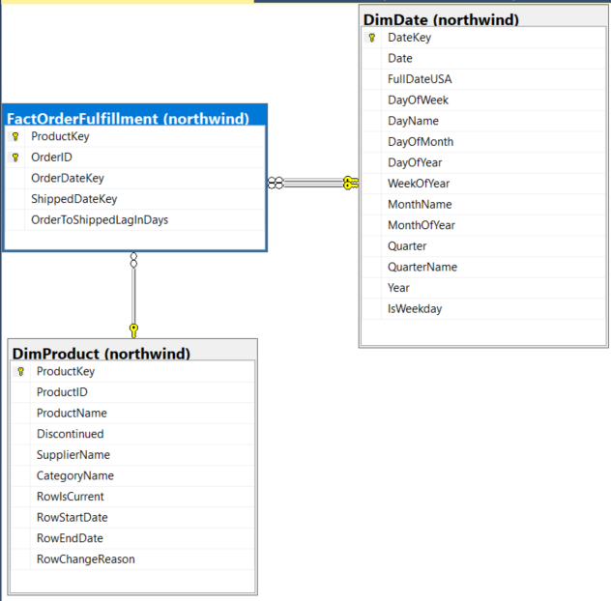

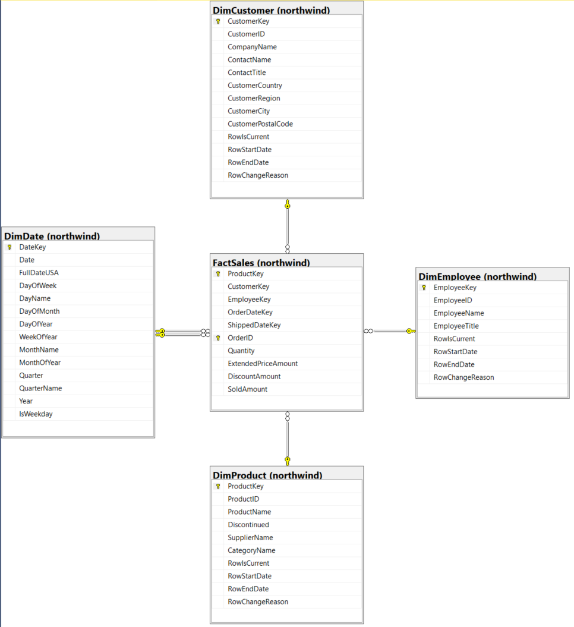

Blank Dimension
Home Page
Table Name | DimBlank
Table Type | Dimension
Display Name | Blank
Database Schema
Table Description | Always create a table description, which becomes a table extended property.
Comment | You can put technical information here -- it doesn't get copied into the database in any way.
Biz Filter Logic
Size
Generate Script? | N

 |  |  |  |  |  |  |  |  | Target |  |  |  |  |  |  | Source
Column Name | Display Name | Description | Unknown Member | Example Values | SCD Type | Display Folder | ETL Rules | Comments | Datatype | Size | Precision | Key? | FK To | NULL? | Default Value | Source System | Source Schema | Source Table | Source Field Name | Source Datatype
BlankDimKey | Blank Dim Key | Surrogate primary key | -1 | 1, 2, 3… | key |  |  |  | int |  |  | PK ID |  | N |  | Derived
BKBlankDimID | Blank Dim ID | Business key from source system (aka natural key) | -1 |  | key |  |  |  | nvarchar | 10 |  |  |  | N
Attribute1 | Attribute1 | Always describe your columns | Unk Attribute1 |  | 1 |  |  |  | nvarchar | 50 |  |  |  | N
Attribute2 | Attribute2 | Always describe your columns | Unk Attribute2 |  | 2 |  |  |  | nvarchar | 50 |  |  |  | N
Attribute3 | Attribute3 | Always describe your columns | Unk Attribute3 |  | 2 |  |  |  | nvarchar | 50 |  |  |  | N
RowIsCurrent | Row Is Current | Is this the current row for this member (Y/N)? | Y | Y, N | n/a | Exclude from cube | Standard SCD Type 2 Metadata |  | nchar | 1 |  |  |  | N |  | Derived
RowStartDate | Row Start Date | When did this row become valid for this member? | 1900-01-01 | 2011-01-24 | n/a | Exclude from cube | Standard SCD Type 2 Metadata |  | datetime |  |  |  |  | N |  | Derived
RowEndDate | Row End Date | When did this row become invalid? (12/31/9999 if current row) | 2958465 | 1/14/1998, 12/31/9999 | n/a | Exclude from cube | Standard SCD Type 2 Metadata |  | datetime |  |  |  |  | N | 2958465 | Derived
RowChangeReason | Row Change Reason | Why did the row change last? | N/A |  | n/a | Exclude from cube | Standard SCD Type 2 Metadata |  | nvarchar | 200 |  |  |  | N |  | Derived

Comments
This is the template for a dimension table. Use the "Move or Copy Sheet" choice on the Edit menu to make a copy of this sheet before you make any changes to it. Be sure to check the "Create a Copy" box in the dialog box.
Usage notes:
- The Key? Column is PK, FK, or PK ID. Make sure you set the NULL? column to N for a PK column.
- Don't re-order the columns, unless you want to mess with the macro.
- The table and column "Comments" fields are not added as extended properties. Extended properties are limited to 128 characters.

Blank Fact
Home Page
Table Name | BlankFact
Table Type | Fact
Display Name | Blank Fact
Database Schema
Table Description | Always create a table description, which becomes a table extended property.
Comment | You can put technical information here -- it doesn't get copied into the database in any way.
Biz Filter Logic
Size
Generate Script? | N

 |  |  |  |  |  |  | Target |  |  |  |  |  |  | Source
Column Name | Display Name | Description | Example Values | Display Folder | ETL Rules | Comments | Datatype | Size | Precision | Key? | FK To | NULL? | Default Value | Source System | Source Schema | Source Table | Source Field Name | Source Datatype
Dim1Key | Dim1 Key | Key to Dim1 | 1, 2, 3 | key | Key lookup from Sales.CurrencyRate.FromCurrencyCode |  | smallint |  |  | FK | Dim1.Dim1Key | N | ETL Process
Dim2Key | Dim2 Key | Key to Dim2 | 1, 2, 3 | key | Key lookup from Sales.CurrencyRate.CurrencyRateDate |  | int |  |  | FK | Dim2.Dim2Key | N | ETL Process
InsertAuditKey | Insert Audit Key | Key to Audit dimension for row insertion | 1, 2, 3 | key | Standard auditing |  | int |  |  | FK | DimAudit.AuditKey | N | ETL Process
UpdateAuditKey | Update Audit Key | Key to Audit dimension for row update | 1, 2, 3 | key | Standard auditing |  | int |  |  | FK | DimAudit.AuditKey | N | ETL Process
BKFactTable | BK Fact Table | The natural key for the fact table, if any (eg order number) |  | Exclude from cube |  |  | int |  |  |  |  | Y
Fact1 | Fact 1 | Always add a description! |  | Counts & rates |  |  | float |  |  |  |  | Y
Fact2 | Fact 2 | Always add a description! |  | Counts & rates |  |  | float |  |  |  |  | Y
Fact3 | Fact 3 | Always add a description! |  | Amounts |  |  | money |  |  |  |  | Y

Comments
This is the template for a fact table. Use the "Move or Copy Sheet" choice on the Edit menu to make a copy of this sheet before you make any changes to it. Be sure to check the "Create a Copy" box in the dialog box.
Usage notes:
- The Key? Column is PK, FK, or PK ID. Make sure you set the NULL? column to N for a PK column.
- Don't re-order the columns, unless you want to mess with the macro.
- The table and column "Comments" fields are not added as extended properties. Extended properties are limited to 128 characters.

